Sheet1
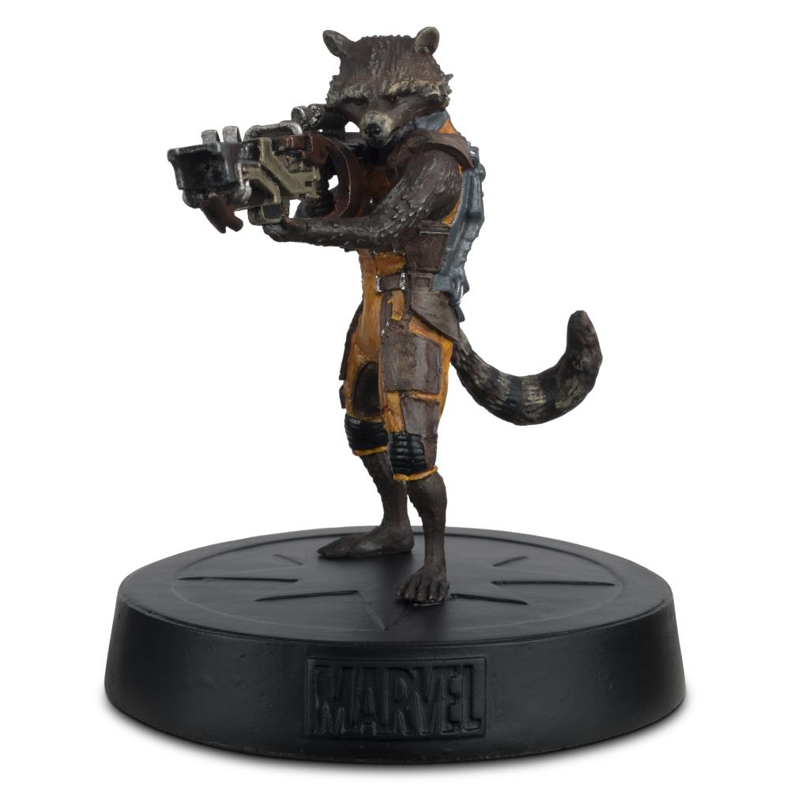
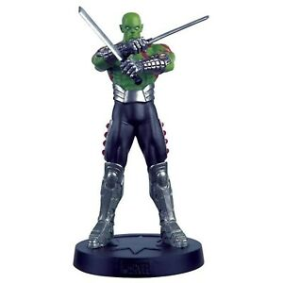
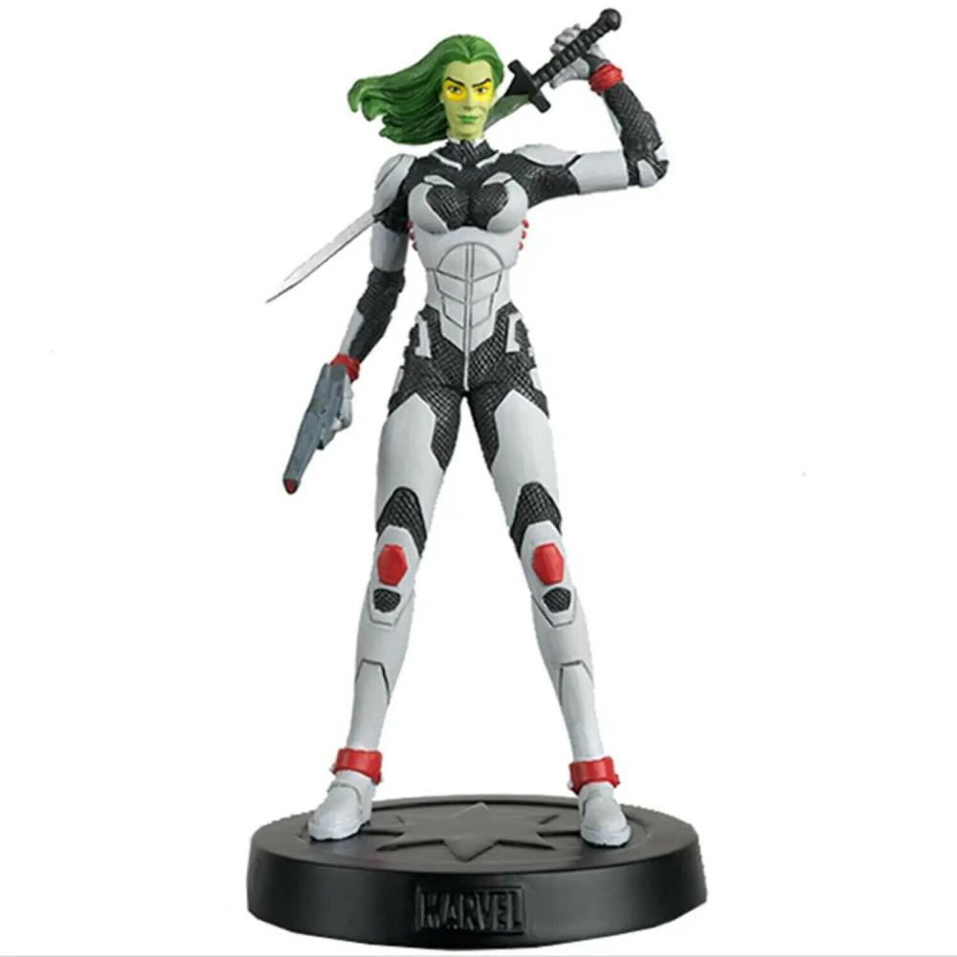
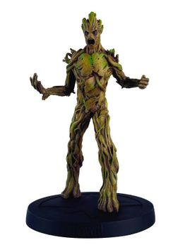

Picture | Item code | Description | Extra information | Restriction | Stock | Sales price EXW | Retail price | Barcode | Quantity PU | Quantity pallet | Pallet | Origin | Customs code | Item weight | Languages on package | Group
 | S-10047 | Guardians of Galaxy, Rocket Raccoon Figure | MFFCUK001 | no restriction | 1006 | 6.9 | 29.45 | 5060625176080 | 12 |  |  | CN | 3926400000 | 0 |  | Guardians of Galaxy
 | S-10051 | Guardians of Galaxy, Drax Figure | MFFCUK006 | no restriction | 998 | 6.9 |  | 5060625176189 | 32 | 640 |  | CN | 3926400000 | 0 |  | Guardians of Galaxy
 | S-10049 | Guardians of Galaxy, Gamora Figure | MFFCUK004 | no restriction | 934 | 6.9 |  | 5060625176141 | 50 |  |  | CN | 3926400000 | 0 |  | Guardians of Galaxy
 | S-10050 | Guardians of Galaxy, Groot Figure | MFFCUK005 | no restriction | 847 | 6.9 |  | 5060625176165 | 16 |  |  | CN | 3926400000 | 0 |  | Guardians of Galaxy
 | S-10048 | Guardians of Galaxy, Star Lord Figure | MFFCUK002 | no restriction | 486 | 6.9 | 12.99 | 5060625176103 |  |  |  | CN | 3926400000 | 0 |  | Guardians of Galaxy

